Sheet1
Frames to capture 30 deg rotation

core
sample 14
 |  |  |  |  |  |  |  |  |  |  |  |  |  |  |  |  |  | SKIN
initial |  |  |  |  | mid sample |  |  |  |  | final |  |  |  |  |  |  |  | sample 12
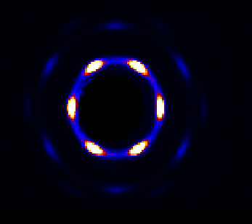
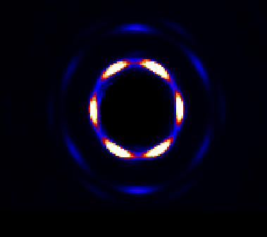
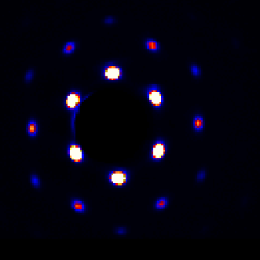
27 mm |  |  |  |  |  |  |  |  |  |  |  |  |  |  |  |  |  | initial |  |  |  |  | s-c trans
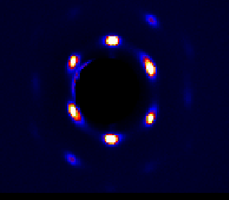
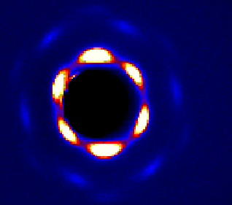

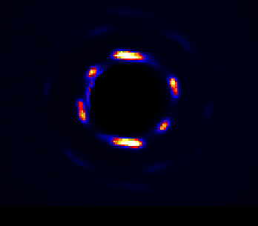
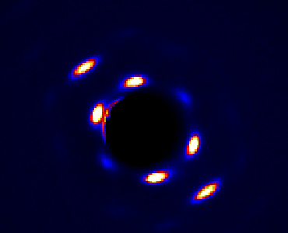
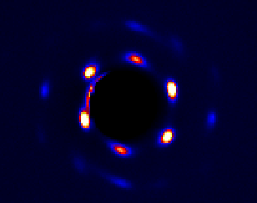
12 mm | initial |  |  |  |  | mid |  |  |  |  | final transition
 |  |  |  |  |  |  |  |  |  |  |  |  |  |  |  |  |  | sample 11
 |  |  |  |  |  |  |  |  |  |  |  |  |  |  |  |  |  |  |  |  |  |  | s-c trans
 |  |  |  |  |  |  |  |  |  |  |  |  |  |  |  |  |  | init
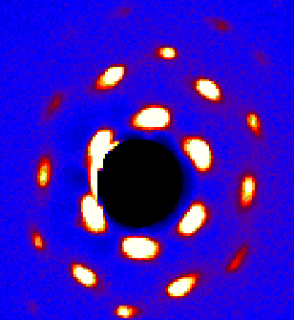
 |  |  |  |  |  |  |  |  |  |  |  |  |  |  |  |  |  |  |  |  |  |  |  |  |  |  |  | s-c trans |  |  |  | finasl
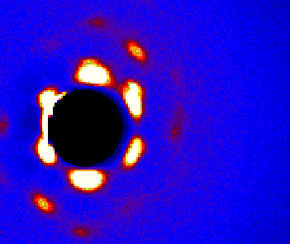
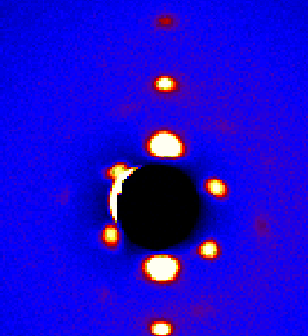

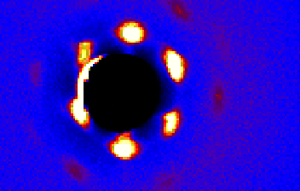

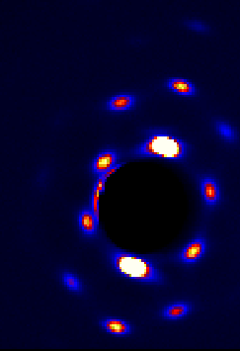
sudden switch initially |  |  |  | extreme rotation mid sample
42 mm
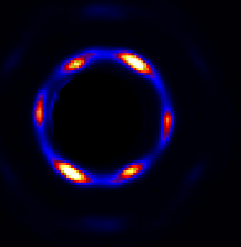
 |  |  |  |  |  |  |  |  |  |  |  | extreme rotation at the end
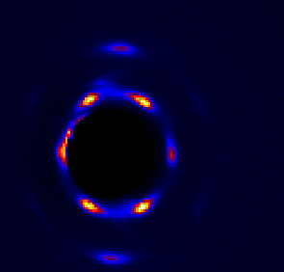

 |  |  |  |  |  |  |  |  |  |  |  |  |  |  |  |  |  | sample 5

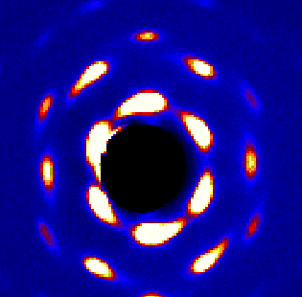
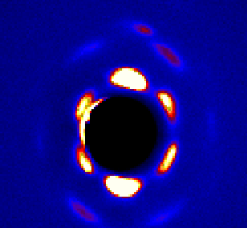
 |  |  |  |  |  |  |  |  |  |  |  |  |  |  |  |  |  | init |  |  |  | init s-c trans
 |  |  |  |  |  |  |  |  |  |  |  |  |  |  |  |  |  |  |  |  |  |  |  |  |  |  | s-c trans
 |  |  |  |  |  |  |  |  |  |  |  |  |  |  |  |  |  |  |  |  |  |  |  |  |  |  |  |  |  |  | fin
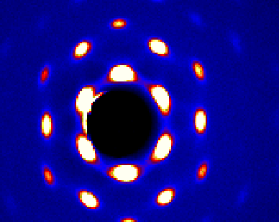

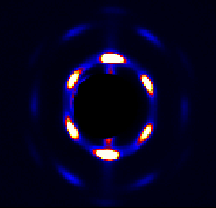

sample 12

12 mm
 |  |  |  |  |  | mid |  |  |  |  |  |  | skin core final transition
initial transition skin-core
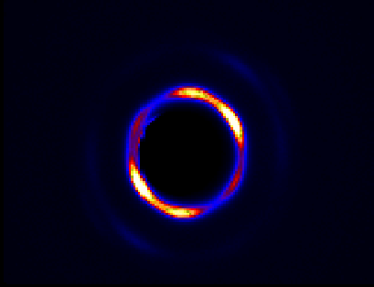
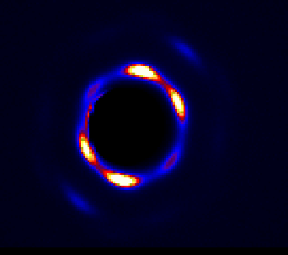
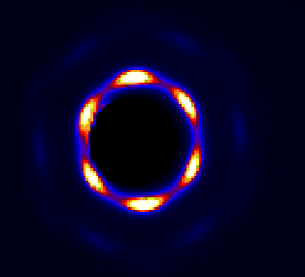
 |  |  |  |  |  |  |  |  |  |  |  |  |  |  |  |  |  |  | sample 3

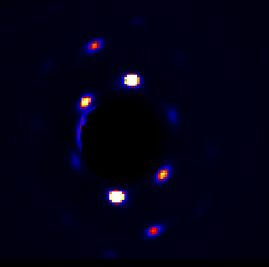
 |  |  |  |  |  |  |  |  |  |  |  |  |  |  |  |  |  |  | init |  |  |  |  | init c-s trans
 |  |  |  |  |  |  |  |  |  |  |  |  |  |  |  |  |  |  |  |  |  |  |  |  |  |  |  |  | fin c-s trans |  |  |  |  |  | fin
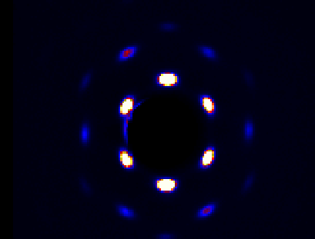
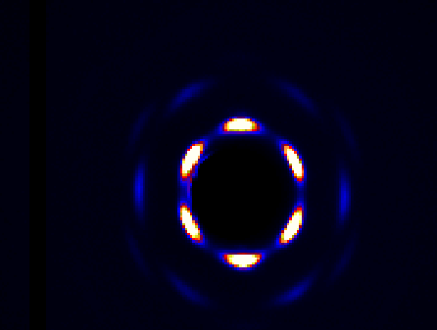
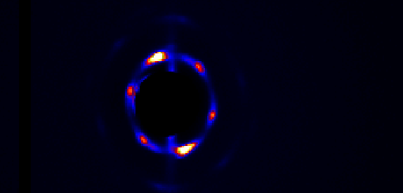

27 mm
in skin-c trans |  |  |  |  | mid sample |  |  |  |  |  |  | fin skin-c trans
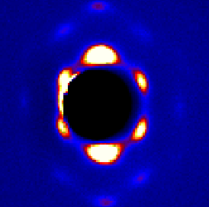
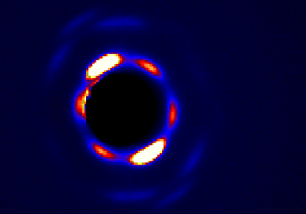
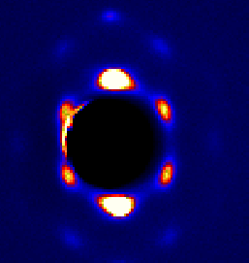

 |  |  |  |  |  |  |  |  |  |  |  |  |  |  |  |  |  |  | sample 2

 |  |  |  |  |  |  |  |  |  |  |  |  |  |  |  |  |  |  | init |  |  |  |  |  |  | init c-s trans
 |  |  |  |  |  |  |  |  |  |  |  |  |  |  |  |  |  |  |  |  |  |  |  |  |  |  |  |  |  |  | fin s-c trans |  | finnl sample
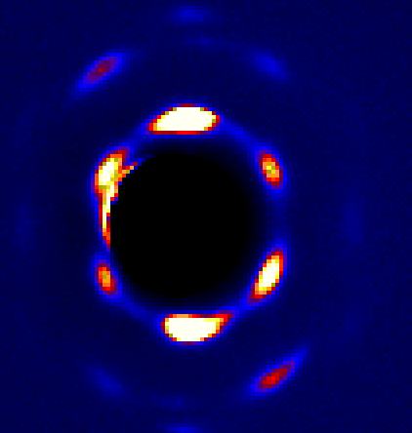
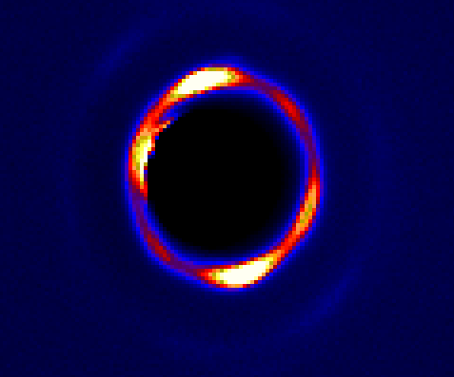
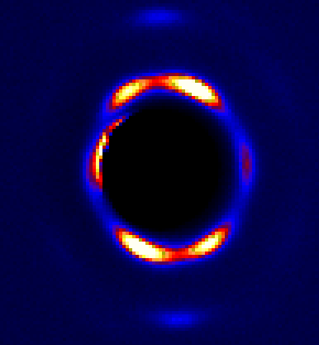
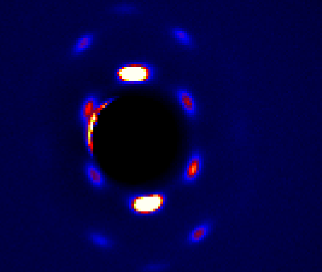

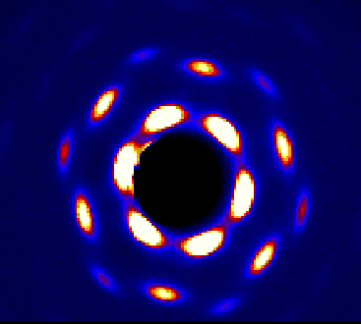
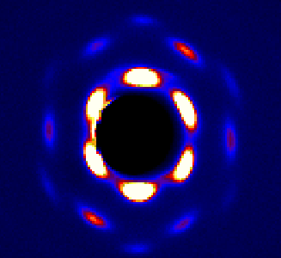
42 mm
 |  |  |  |  | mid sample |  |  |  |  |  |  | fin s-c trans
in s -c trans

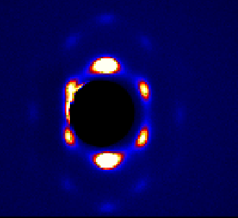

 |  |  |  |  |  |  |  |  |  |  |  |  |  |  |  |  |  |  | sample 4

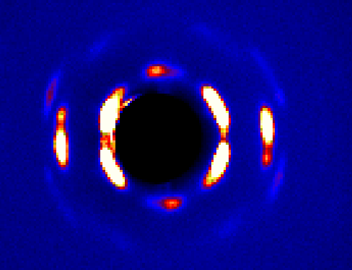
 |  |  |  |  |  |  |  |  |  |  |  |  |  |  |  |  |  |  | init sample |  |  |  |  |  |  | nit s-c trans
 |  |  |  |  |  |  |  |  |  |  |  |  |  |  |  |  |  |  |  |  |  |  |  |  |  |  |  |  |  |  |  | fin s-c trans |  |  | fin sample
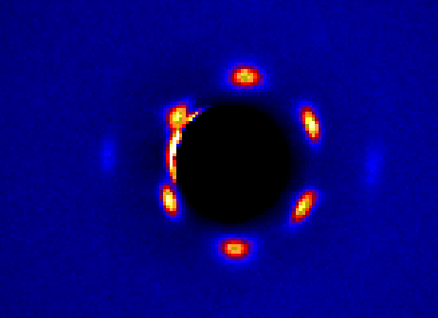
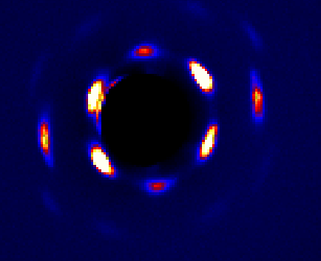
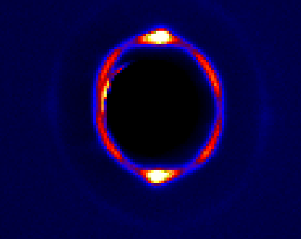
sample 11

init |  |  |  |  | mid sample |  |  |  |  |  |  | s-c transition
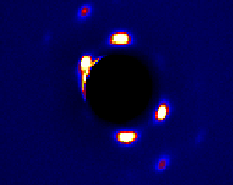
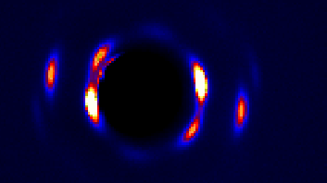
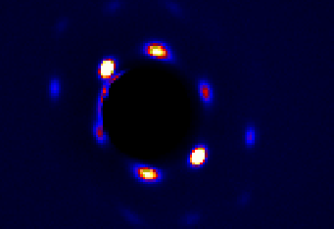

27 mm

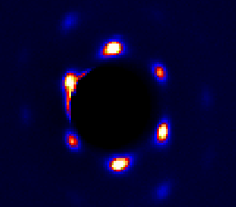
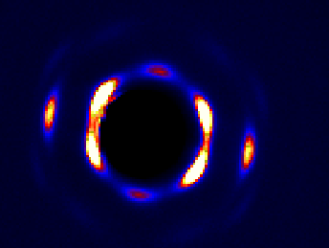
init s-c trans |  |  |  |  | mid sample
 |  |  |  |  |  |  |  |  |  |  | fin s-c trans
 |  |  |  |  |  |  |  |  |  |  |  |  |  |  |  |  |  |  | sample 6
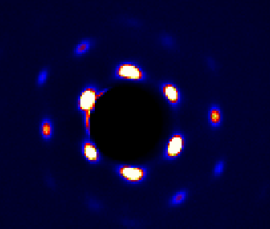
 |  |  |  |  |  |  |  |  |  |  |  |  |  |  |  |  |  |  | init sample |  |  |  |  |  |  | mid sample |  |  |  |  |  | fin sample
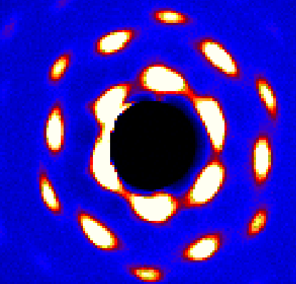
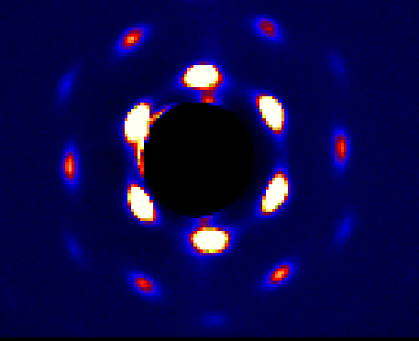
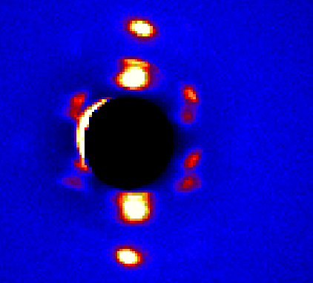

42 mm

init s-c trans

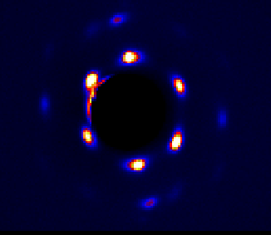
 |  |  |  |  |  |  |  |  |  |  |  |  | final s-c trans
 |  |  |  |  |  | mid samplke




 |  |  |  |  |  |  |  |  |  |  |  |  |  |  |  |  |  |  | sample 7

 |  |  |  |  |  |  |  |  |  |  |  |  |  |  |  |  |  |  |  |  |  |  |  |  | init s-c trans
 |  |  |  |  |  |  |  |  |  |  |  |  |  |  |  |  |  |  | init sample


 |  |  |  |  |  |  |  |  |  |  |  |  |  |  |  |  |  |  |  |  |  |  |  |  |  |  |  |  |  |  | fin s-c trans |  | fin samole




sample 5
12 mm

init s-c trans |  |  |  |  | s-c trans




 |  |  |  |  |  |  |  |  |  |  |  |  |  |  |  |  |  |  |  | sample 8


 |  |  |  |  |  |  |  |  |  |  |  |  |  |  |  |  |  |  |  |  | init sample |  |  |  | init s-c trasn |  |  |  |  |  |  |  | fiin sample
 |  |  |  |  |  |  |  |  |  |  |  |  |  |  |  |  |  |  |  |  |  |  |  |  |  |  |  |  |  | fin s-c trasn




27 mm

init s-c trans




sample 3
init s-c trans 12 mm |  |  |  |  |  |  | mid sample |  |  |  |  |  |  |  | fin c-s trans |  |  |  |  |  | sample 8





 |  |  |  |  |  |  |  |  |  |  |  |  |  |  |  |  |  |  |  |  | init sampel |  |  |  |  |  |  |  |  |  |  |  |  | sample fin
 |  |  |  |  |  |  |  |  |  |  |  |  |  |  |  |  |  |  |  |  |  |  |  |  |  |  | init c-s trans
 |  |  |  |  |  |  |  |  |  |  |  |  |  |  |  |  |  |  |  |  |  |  |  |  |  |  |  |  |  |  |  | fin s-c trans



27 mm

init s-c trans

 |  |  |  |  |  | fin s-c trans |  |  |  |  |  |  | mid sample




42 mm
 |  |  |  |  |  |  | mid sampel
init s-c trans


 |  |  |  |  |  |  |  |  |  |  |  |  |  | fin s-c trans



sample 2

12 mm
init s-c trans |  |  |  |  |  |  |  | mid sample |  |  |  |  |  |  |  | final s-c trans




27 mm
 |  |  |  |  |  |  |  | mid sample |  |  |  |  |  |  |  |  | final c-s trans
init s-c trans






42 mm
init s-c trans |  |  |  |  |  |  |  |  |  |  |  |  |  |  |  | final s-c trans
 |  |  |  |  |  |  |  |  | mid sample



sample 4

12mm

init s-c trans |  |  |  |  |  |  | mid sampel |  |  |  |  |  |  |  | fin s-c trans






27 mm
init s-c trans |  |  |  |  |  |  | mid sample
 |  |  |  |  |  |  |  |  |  |  |  |  |  |  |  | fin s-c trans




42 mm
 |  |  |  |  |  |  |  |  |  |  |  |  |  |  |  | fin s-c trans
init s- c trans |  |  |  |  |  |  |  | mid sample


sample 6

27 mm
init s-c trans |  |  |  |  |  |  | fin s-c trans



42 mm
init s-c trans |  |  |  |  |  |  | fin s-c trans



sample 7

12mm |  |  |  |  |  |  | mid sample
iniit sampel



27 mm

init s-c trans |  |  |  |  |  |  | fin s-c trans



42 mm
mid sample


samle 8

12 mm

init s-c trans |  |  |  |  | fin s-c trans



27 mm
 |  |  |  |  | fin s-c trans
init s-c trans



42 mm
mid sample


sample 11

12mm

init c-s trans |  |  |  |  |  |  |  | mid sample


 |  |  |  |  |  |  |  |  |  |  |  |  |  |  |  | fin c-s trans



27 mm

init s-c trans |  |  |  |  |  | fin s-c trans




42 mm

init s-c trans




 |  | follow example

 |  | sample 14 | 610


 |  |  | initially frame 24 |  |  |  |  |  |  |  | frame 36
 |  |  |  |  |  |  |  |  |  |  |  |  |  |  |  |  |  |  | frame 44 |  |  |  |  |  | frame 50 |  |  |  | frame 60 |  |  |  | frame 68
 |  |  |  |  |  |  |  |  |  |  |  |  |  |  |  |  |  |  |  |  |  |  |  |  |  |  |  |  |  |  |  |  |  |  |  | frame 76 |  | frame 90




 |  |  |  |  |  |  |  |  |  |  |  |  |  |  |  |  |  |  |  |  |  |  |  |  |  |  |  |  |  |  |  |  |  |  |  |  | frame 82 |  | frame 96

 |  |  |  |  |  |  |  |  |  |  |  |  |  |  |  |  |  |  |  |  |  |  |  |  |  |  |  |  |  |  |  |  |  |  |  |  |  |  |  |  | frame 102 | frame 110 | frame 120


 |  |  |  |  |  |  |  |  |  |  |  |  |  |  |  |  |  |  |  |  |  |  |  |  |  |  |  |  |  |  |  |  |  |  |  |  |  |  |  |  |  |  |  |  |  | frame 148 | frame 160


 |  |  |  |  |  |  |  |  |  |  |  |  |  |  |  |  |  |  |  |  |  |  |  |  |  |  |  |  |  |  |  |  |  |  |  |  |  |  |  |  |  |  |  | frame 130 |  |  |  | frame 163








 |  |  |  |  | basis
 |  |  |  |  |  |  |  |  |  |  |  |  |  |  |  |  |  |  |  |  |  |  |  |  |  |  |  |  |  |  |  |  | 30 degrees clockwise

 |  |  |  |  |  |  |  |  |  |  |  |  |  |  |  |  |  |  |  |  |  |  |  |  |  |  |  |  |  |  |  |  |  |  |  |  |  |  |  |  |  |  |  |  | 120 degrees clockwise
 |  |  |  |  |  |  |  |  |  |  |  |  |  |  |  |  |  |  |  |  |  |  |  |  |  |  |  |  |  |  |  |  |  |  |  |  |  |  |  | 60 degrees clockwise

 | 3 samples | choose six for transitions |  |  | 2, 8, 14

Notes --> extreme rotation mid sample

at skin core trans and core skin trans --> draw line vertically

